Manual Importing
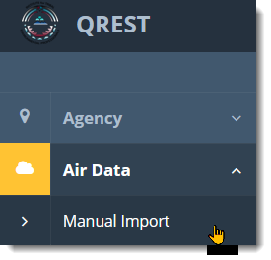
1
SOP: | Manual Importing | version: | 1.0 | date: | 2021-01-12 | responsibility: | Site Operator
 |  |  |  |  |  | required: | electronic data file to be imported (up to one year of hourly data for 1 parameter)
Step:
1 | Go to Air Data->Manual Import
 |  |  |  |  |  | prereq: | The appropriate Import Config has been established in QREST for this datafile's format

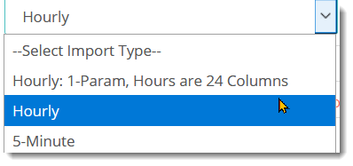
2
2 | Select datafile type

3 | Select Agency, Site, and the Import Template that is appropriate for the datafile format.
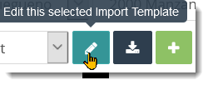
4
4 | If the Import Template needs to be edited for this datafile's format, edit and save with a new name, as appropriate (see SOP for Setting Import Config).

5 | Open the datafile, note the number of rows and verify there is no extraneous text below the last record. Select all the data to be imported, except for the column headers.

 | excel example:

 | comma delimited text file example:

 | Note that all the contiguous columns/fields, even blank ones that have been mapped but may be the last field of the record, need to be included in the selection to be copied.

6 | Click cntrl-C on a windows computer, or use the menu tool to Copy the selection into your clipboard.

7 | Paste the data from your clipboard into QREST's Paste Data Here panel.

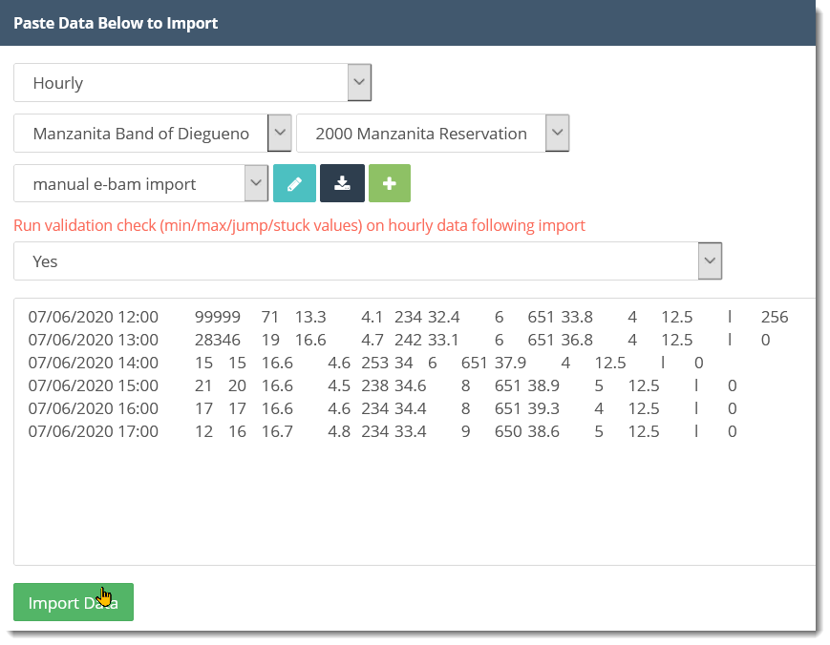
7

8 | Click Import Data

9 | Import Status indicates the number of records imported, or any error messages. Verify that the number of records successfully imported match the number of records you intended to import. Note that even if the Import Status says Imported, the data have not been imported into QREST if the Record Count is 0.

9

10 | Click View Import History from this screen, or from the Import Data screen, to see a list of imports, their status, a link to download a copy of the data in QREST that was from that import, and the ability to delete all the records that were imported, in case that is appropriate.

10

